96014
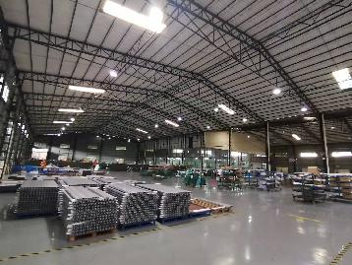  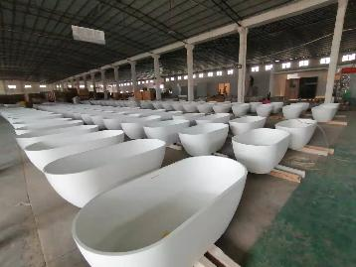 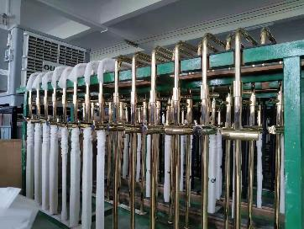 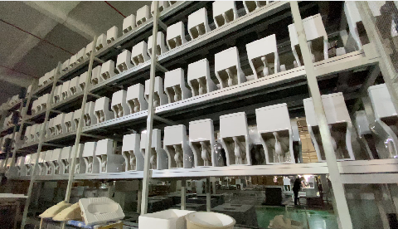
Customer |  |  |  |  |  | Customer Country
Email |  |  |  |  |  | Moblie Number
Quote Date |  |  |  |  |  | Valid until
Order NO |  |  |  |  |  | Sales |  | Sophia
Date of order |  |  |  |  |  | Date of delive
Proforma invoice
No. | Item Number | Product Type | Picture | Size(mm) | Description | unit | Quantity | Unit Price（USD） | Amount（USD） | CBM(m³) | Weight(KG) | Remarks
1 |  | vanity for master bathroom | 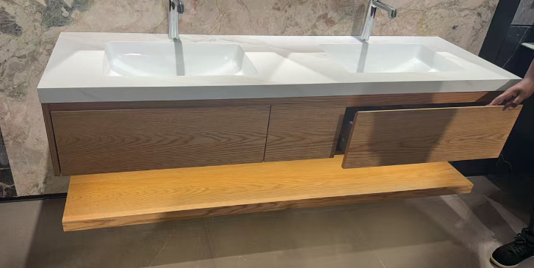 | 2430*620 | plywood cabinet with three drawer+shelf+artifical stone countertop+10mmCountertop water barrier strip(not include faucet and drainer) | set | 1 | $1,200.00 | $1,200.00 | 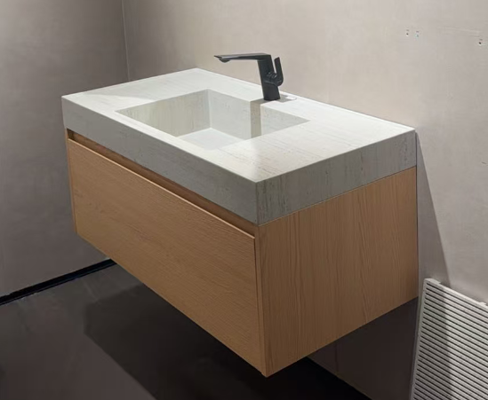 | 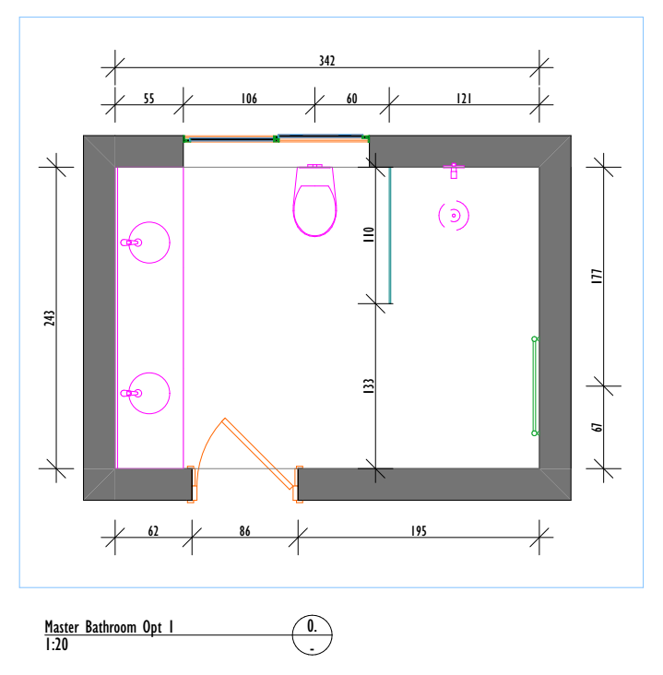
2 |  | basin | 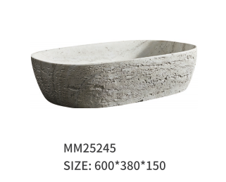 | 600*380*150 | Material:artifical stone color:as the photo | set | 2 | $178.00 | $356.00
3 |  | mirror |  | 600*1200 | framless mirror with single lighting and anti-fog function | set | 2 | $62.00 | $124.00
4 |  | vanity for public bathroom | 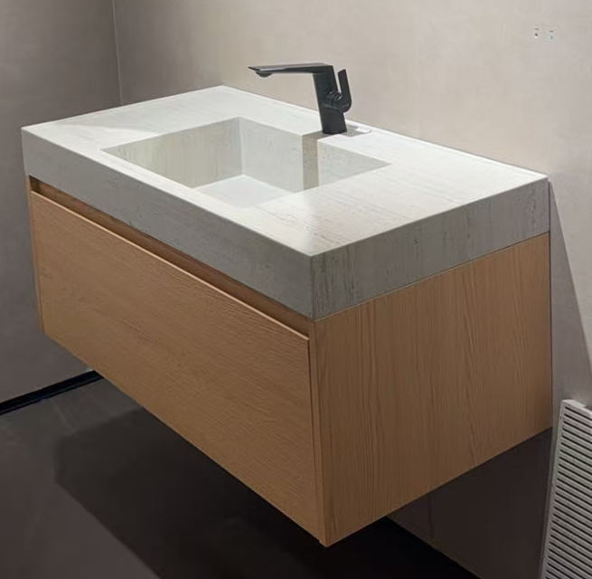 | main cabinet:1470*420*350 countertop:1470*420*100 | plywood cabinet+sintered stone integrated single basin+10mmCountertop water barrier strip(not include faucet and drainer) | set | 1 | $520.00 | $520.00
5 |  | basin | 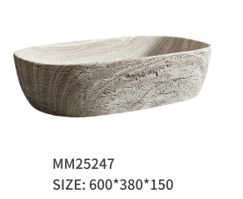 | 600*380*150 | Material:artifical stone color:as the photo | set | 1 | $178.00 | $178.00
6 |  | vanity for Roof top washbasin |  | main cabinet:1510*500*350 countertop:1510*500*100 | plywood cabinet+sintered stone integrated single basin+10mmCountertop water barrier strip(not include faucet and drainer) | set | 1 | $623.00 | $623.00 |  | 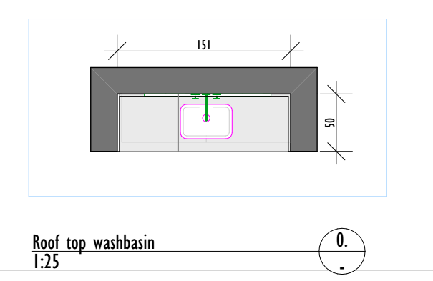
7 |  | vanity for bathroom3 |  | main cabinet:1000*550*350 countertop:1000*550*100 | plywood cabinet+sintered stone integrated single basin+10mmCountertop water barrier strip(not include faucet and drainer) | set | 1 | $379.00 | $379.00 |  | 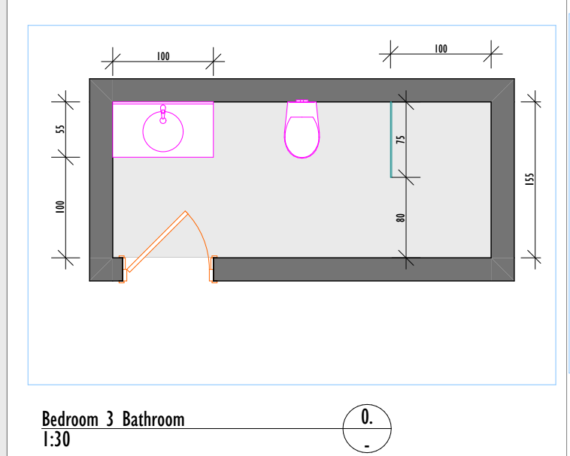
8 |  | vanity for Bedroom I Ground floor |  | main cabinet:900*540*350 countertop:900*540*100 | plywood cabinet+sintered stone integrated single basin+10mmCountertop water barrier strip(not include faucet and drainer) | set | 1 | $330.00 | $330.00 |  | 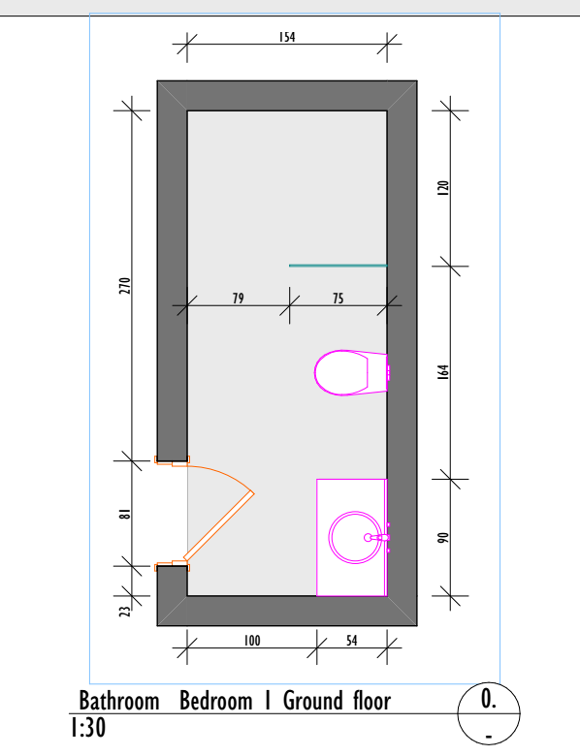
9 |  | vanity for bathroom2 |  | main cabinet:800*450*350 countertop:800*450*100 | plywood cabinet+sintered stone integrated single basin+10mmCountertop water barrier strip(not include faucet and drainer) | set | 1 | $296.00 | $296.00 |  | 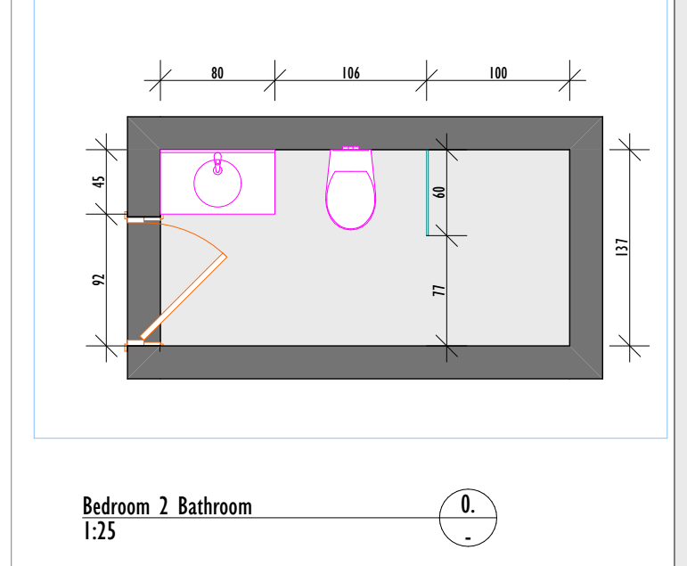
10 |  | vanity for bathroom4 |  | main cabinet:1000*550*350 countertop:1000*550*100 | plywood cabinet+sintered stone integrated single basin+10mmCountertop water barrier strip(not include faucet and drainer) | set | 1 | $379.00 | $379.00 |  | 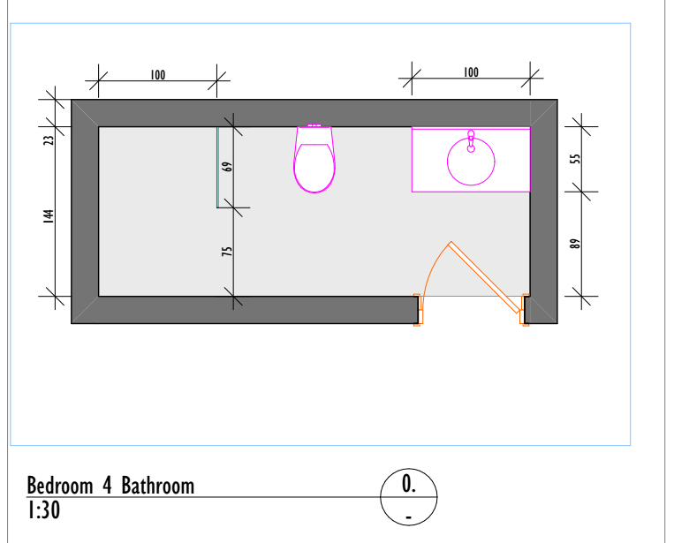
11 |  | vanity for Dining Wash Hand |  | main cabinet:900*540*350 countertop:900*540*100 | plywood cabinet+sintered stone integrated single basin+10mmCountertop water barrier strip(not include faucet and drainer) | set | 1 | $330.00 | $330.00 |  | 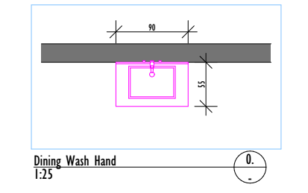
12 |  | mirror |  | 800*800 | framless mirror with single lighting and anti-fog function | set | 7 | $56.00 | $392.00
13 |  | wash basin | 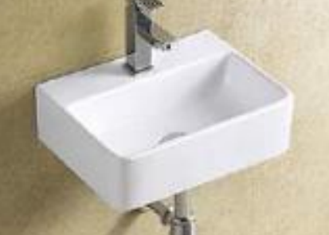 | 395*295*120 | Material:ceramic color:as the photo | set | 1 | $46.00 | $46.00
14 | 91206 | faucet | 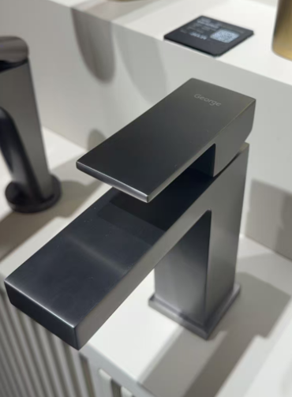 |  | Material:copper color:gun grey | set | 3 | $62.00 | $186.00
15 | 11001 | faucet | 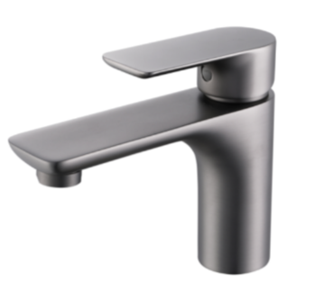 |  | Material:copper color:gun grey | set | 6 | $34.00 | $204.00
16 | FM001 | Basin drainer |  |  | copper+plastic color:gun grey+white | set | 11 | $15.00 | $165.00 | According to the number of faucets matching.
17 | 07004六角 | angle vavle | 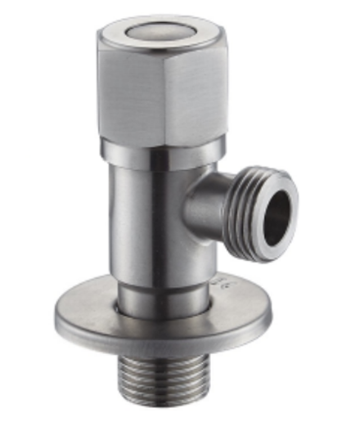 | / | Material:304 stainless steel color:as the photo | set | 21 | $2.00 | $42.00 | Connect the cold and hot water pipes. One faucet requires two.
18 | for master bathroom | shower glass |  | 1000*2200 | 8mm fluted glass+gun grey frame glass | set | 1 | $220.00 | $220.00 | 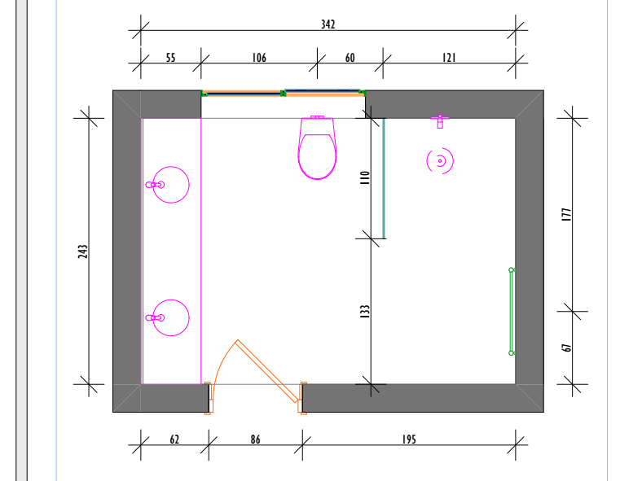
19 | for Bedroom I Ground floor | shower glass |  | 750*2200 | 8mm clear glass | set | 1 | $110.00 | $110.00 | 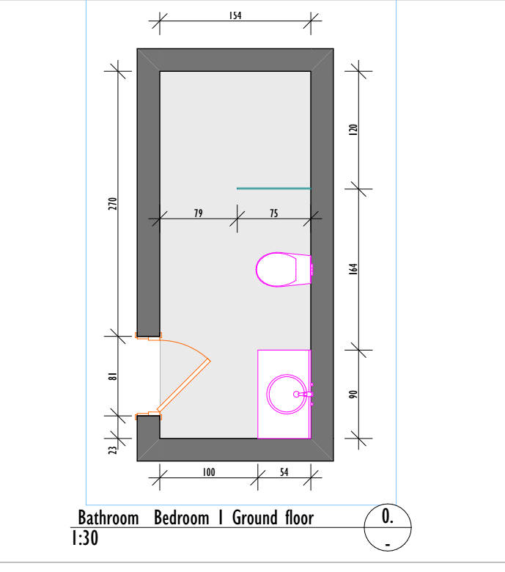
20 | for bathroom2 | shower glass |  | 600*2200 | 8mm clear glass | set | 1 | $88.00 | $88.00 | 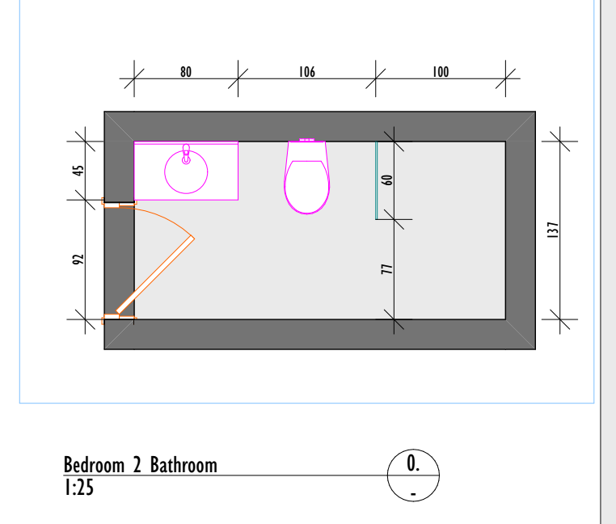
21 | for bathroom3 | shower glass |  | 750*2200 | 8mm clear glass | set | 1 | $110.00 | $110.00 | 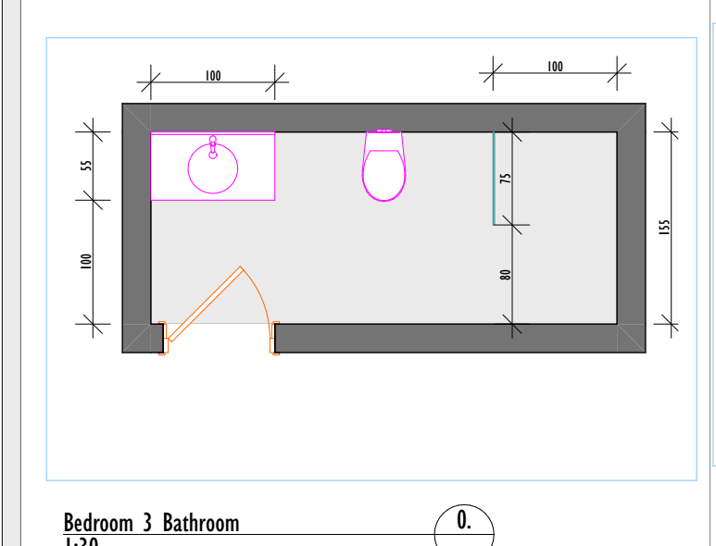
22 | for bathroom4 | shower glass |  | 690*2200 | 8mm clear glass | set | 1 | $101.00 | $101.00 | 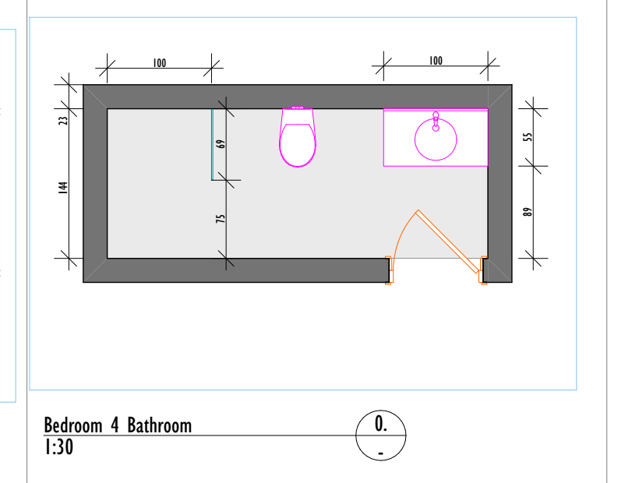
23 | for roof | shower glass |  | 600*2200 | 8mm clear glass | set | 1 | $88.00 | $88.00 | 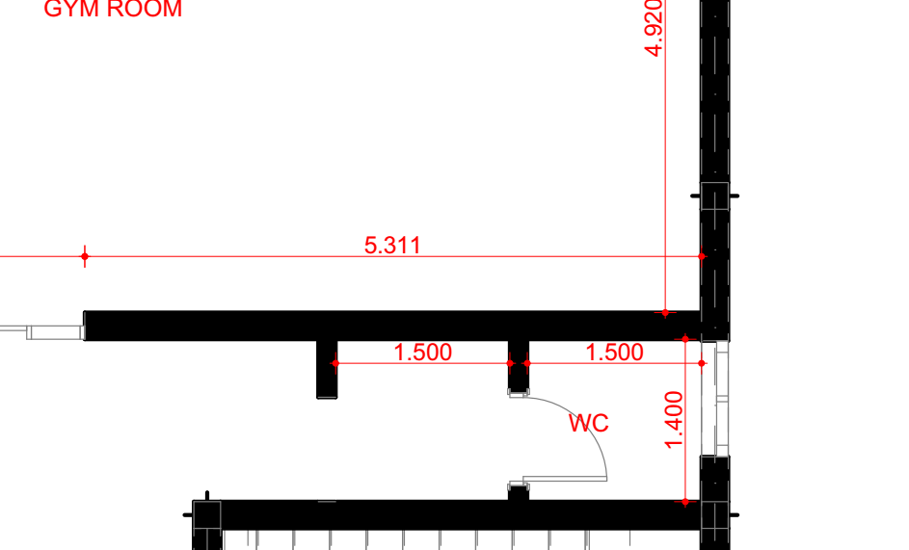
24 | 66001 | shower head |  |  | Material:copper+304 stainless steel+10-inch top-mounted spray head color:gun grey | set | 1 | $175.00 | $175.00
25 | 66001 | shower head |  |  | Material:copper+304 stainless steel+8-inch top-mounted spray head color:gun grey | set | 5 | $169.00 | $845.00
26 |  | water tank+panel+toilet for all bathroom |  |  | stainless steel frame water tank+stainless steel gun grey panel+ceramic toilet P-trap:180mm | set | 7 | $160.00 | $1,120.00
27 |  | spray | 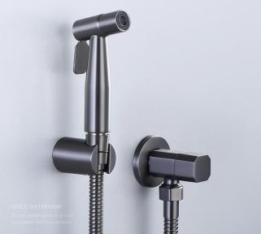 |  | Material:copper spray+copper angle+304stainless steel base+1.5mchain color:gun grey | set | 12 | $22.00 | $264.00
28 | JSJ7208J | towel rack |  | 600*85*33 | Material:304 stainless steel color:gun grey | set | 6 | $16.00 | $96.00
29 | JSJ7205-1J | towel rack | 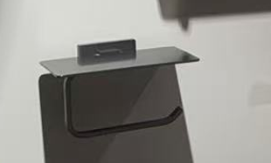 | 160*110*85 | Material:304 stainless steel color:gun grey | set | 7 | $16.00 | $112.00
30 | JSJ7203J | towel rack | 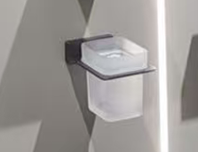 | 90*100*95 | Material:304 stainless steel color:gun grey | set | 6 | $12.00 | $72.00
31 | JSJ7202J | towel rack | 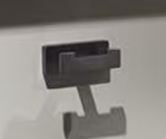 | 80*60*40 | Material:304 stainless steel color:gun grey | set | 7 | $9.00 | $63.00
32 | JSJ-005-1 | heated towel for master | 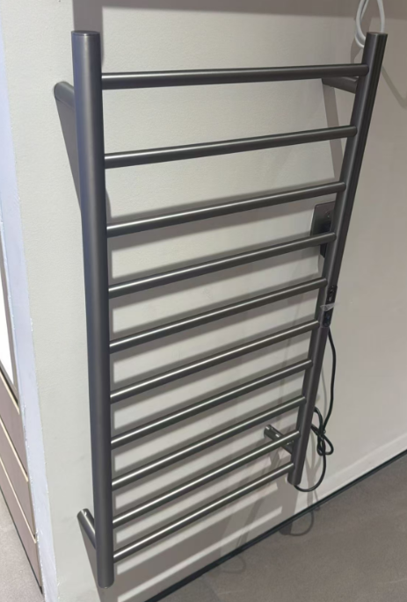 | 970*500*70 | Material:304 stainless steel color:gun grey Material:304 stainless steel Power:128W Voltage:220V/110V Power Frequency: 50Hz Temperature: 45°C+5 Time of warming-up: 5min 3C leakage protection switch Hole drilling for installation | set | 1 | $160.00 | $160.00 | 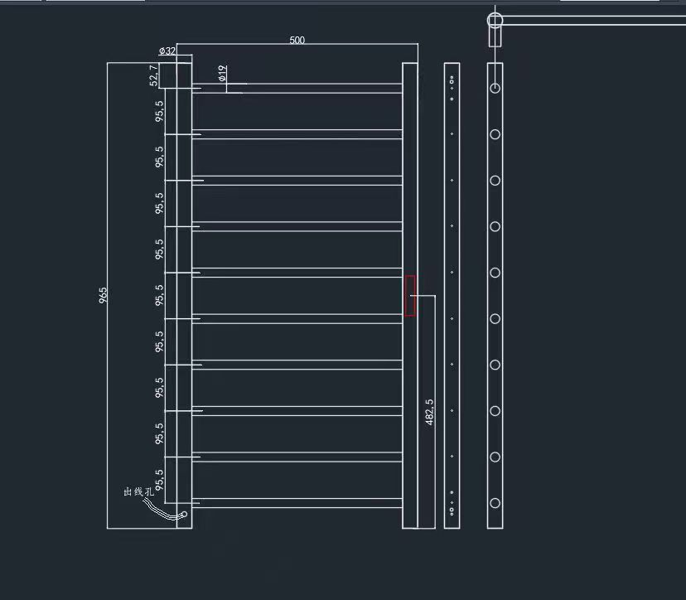
33 |  | faucet | 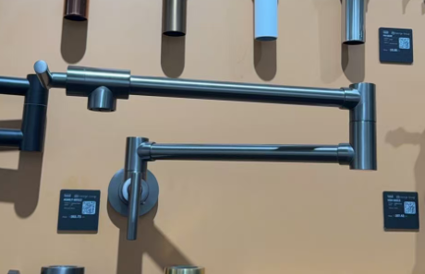 | / | Material:copper color:gun grey | set | 1 | $72.00 | $72.00
34 | EJ35-03A | toilet handle | 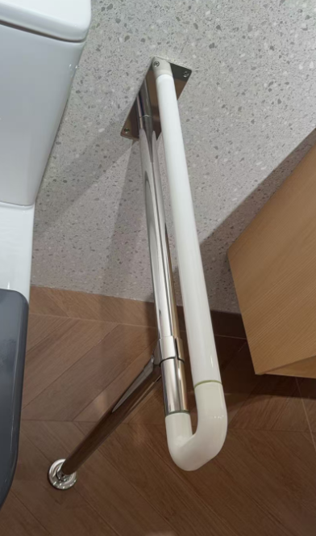 |  | material：304 stainless steel+Upper made of nylon material color：chrome | set | 1 | $100.00 | $100.00
35 |  | toilet brush | 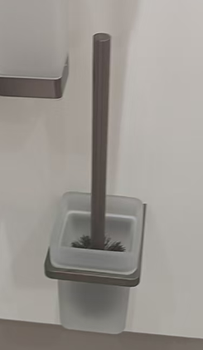 |  | Material:304 stainless steel color:gun grey | set | 7 | $15.00 | $105.00
36 | EJ008 | foldable shower stool | 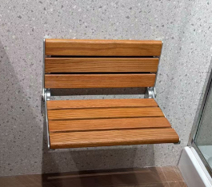 | 450*337*263 | Material:aluminum alloy+oak | set | 1 | $85.00 | $85.00 | 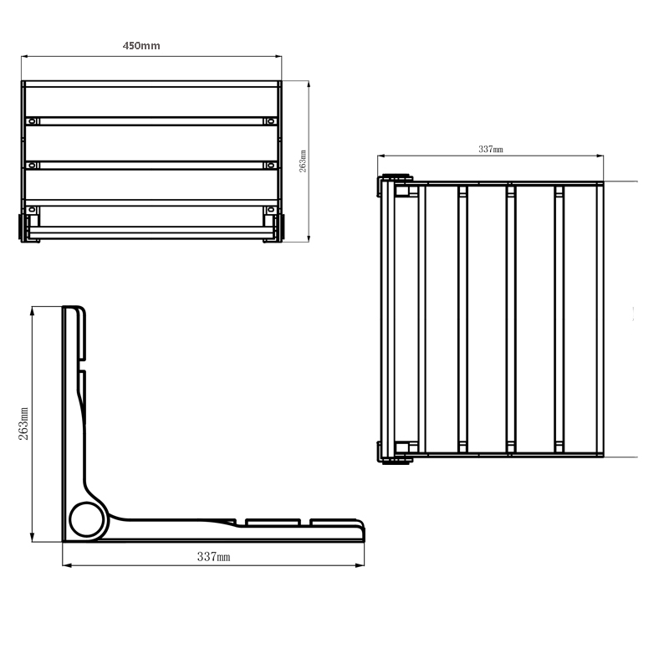
37 | FM-ZXDL-01 | floor drainer | 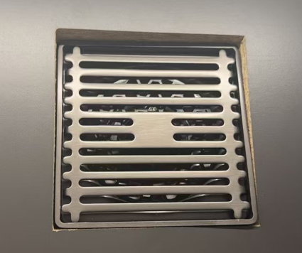 | 100*100 | Material:304 stainless steel color:as the photo | set | 8 | $10.00 | $80.00
38 | FM-FXXTDL-1 | floor drainer |  | 80*600 | Material:304 stainless steel color:as the photo | set | 6 | $30.00 | $180.00
Total: |  |  |  |  |  |  |  |  | $9,996.00
Total amount: |  |  |  |  |  |  |  |  | $9,996.00
50 % Deposit: |  |  |  |  |  |  |  |  | $4,998.00
Balance: |  |  |  |  |  |  |  |  | $4,998.00
1.Delivery Term: EXW
2.Payment terms: 50% deposit by T/T after confirming the P/I.The balance by T/T before loading.100% payment if enough stock.
3.Order lead time: Within 25-30 days after receipt of deposit or payment
4.Packing: wooden box/carton
5.The goods are delivered indoors in Foshan
6.Goods are natural products so pattern ,colors and thinknss may be a little difference from the sample.

